MARKOV E MTTF
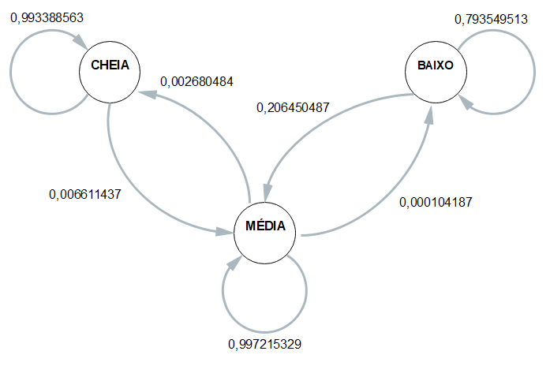
 | ESP1 | ESP2 | ESP3 | ESP4 | MÉDIA
CC | 0.99270072993 | 0.99367088608 | 0.99393939394 | 0.99324324324 | 0.9933885633
CM | 0.007299270073 | 0.0063291139241 | 0.0060606060606 | 0.0067567567568 | 0.0066114367036
CB | 0 | 0 | 0 | 0 | 0
 | 1 | 1 | 1 | 1 | 1
MC | 0.0034246575342 | 0.0010469011725 | 0.0022883295195 | 0.0039620477531 | 0.0026804839948
MM | 0.99647156496 | 0.99884840871 | 0.9976076555 | 0.99593368783 | 0.99721532925
MB | 0.00010377750104 | 0.00010469011725 | 0.00010401497816 | 0.00010426441456 | 0.00010418675275
 | 1 | 1 | 1 | 1 | 1
BC | 0 | 0 | 0 | 0 | 0
BM | 0.08 | 0.14366729679 | 0.32874015748 | 0.27339449541 | 0.20645048742
BB | 0.92 | 0.85633270321 | 0.67125984252 | 0.72660550459 | 0.79354951258

 | Esp1 | Esp2 | Esp3 | Esp4 |  | média
Hora Inicial | 8:28:26 | 8:34:07 | 8:40:25 | 8:45:41 |  | 8:37:10
Hora Limite 2,8 | 20:41:20 | 20:42:18 | 20:53:46 | 20:56:02 |  | 20:48:22
Hora final | 21:18:50 | 21:21:58 | 21:31:52 | 21:36:55 | MTTF | 21:27:24
total de horas até 2,8 | 12:12:54 | 12:08:11 | 12:13:21 | 12:10:21 | 12:11:12 | 12:11:12

